Bug Reports (Employee)
Employee

Bug ID | Title | Summary | Environment | Priority | Severity | Steps to Reproduce | Expected Resutls | Actual Resutls | Notes | Visual Proof
BUG_3.1.10.6 | Add Work Experience with Future Date | System accepts future date without validation | Browser: Chrome Windows 11 Laptop-Asus | Medium | Major | 1. Go to My Info > Qualifications > Work Experience 2. Click "Add" 3. Set From Date to 01/01/2026 4. Click "Save" | Validation error: "Date cannot be in the future" | Entry is added successfully without validation error | Data inconsistency | 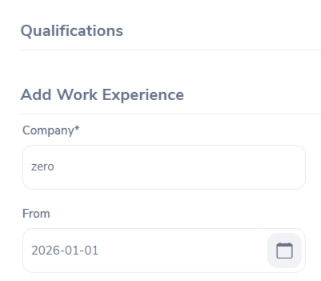

Bug ID | Title | Summary | Environment | Priority | Severity | Steps to Reproduce | Expected Resutls | Actual Resutls | Notes | Visual Proof
BUG_3.1.10.14 | Delete Education Entry Fails | Existing education entry cannot be deleted | Browser: Chrome Windows 11 Laptop-Asus | High | Major | 1. Go to Education section 2. Select an existing entry 3. Click "Delete" | Entry is deleted successfully from the list | Error message: "Entry does not exist" appears even though the entry exists | Functional

Bug ID | Title | Summary | Environment | Priority | Severity | Steps to Reproduce | Expected Resutls | Actual Resutls | Notes | Visual Proof
BUG_3.1.10.16 | GPA/Score accepts alphabetic input | System allows non-numeric GPA input | Browser: Chrome Windows 11 Laptop-Asus | Medium | Moderate | 1. Go to My Info > Qualifications > Education 2. Click "Add" 3. Enter "twenty twenty" as Year 4. Click "Save" | Validation error: "Enter numbers only" | Entry is saved successfully with alphabetic characters | Input validation missing

Bug ID | Title | Summary | Environment | Priority | Severity | Steps to Reproduce | Expected Resutls | Actual Resutls | Notes | Visual Proof
BUG_3.0.1.1 | Account Lockout Not Triggered After Multiple Failed Login Attempts | The system allows repeated failed login attempts without locking the account or displaying a security warning | Browser: Edge Windows 11 Laptop-Asus | High | Moderate | 1. Enter wrong password multiple times 2. Observe system behavior | System should lock account or display warning | No action was taken | This issue may pose a potential security risk

Bug ID | Title | Summary | Environment | Priority | Severity | Steps to Reproduce | Expected Resutls | Actual Resutls | Notes | Visual Proof | Priority | Seviority
BUG_3.0.1.2 | Using browser back after login | After login the user click back, thin the system back to login page without log out | Browser: Chrome Windows 11 Laptop-Asus | Low | Major | 1. Log in with valid credintals 2. click on browser back | System should not return to login page unless logged out | Login page reappeared but was unresponsive |  |  | Low | Minor
 |  |  |  |  |  |  |  |  |  |  | Medium | Moderate
 |  |  |  |  |  |  |  |  |  |  | High | Major
 |  |  |  |  |  |  |  |  |  |  | Immediate | Critical
Bug ID | Title | Summary | Environment | Priority | Severity | Steps to Reproduce | Expected Resutls | Actual Resutls | Notes | Visual Proof
BUG_3.1.3.3 | The system accept invalid mobile | In the "contact details" the system accept "5" as a phone number | Browser: Edge Windows 11 Laptop-Asus | Medium | Moderate | 1. Access 'My Info' > 'Contact Details' 2. Enter invalid phone format 3. Click 'Save' | System should reject input | invalid phone accepted

Bug ID | Title | Summary | Environment | Priority | Severity | Steps to Reproduce | Expected Resutls | Actual Resutls | Notes | Visual Proof
BUG_3.1.6.2 | Number Field Allows Alphabetic Characters in Immigration Section | In the "Immigration" the system accepts alphabetic input "ABD345"in the Number field, which is expected to allow numeric values only, as specified in the SRS document. | Browser: Edge Windows 11 Laptop-Asus | Medium | Moderate | 1. Go to 'Immigration' 2. Click 'Add' 3. Enter letters in Number field 4. Click 'Save' | System should reject it and display error message | Letters accepted in Number field

Bug ID | Title | Summary | Environment | Priority | Severity | Steps to Reproduce | Expected Resutls | Actual Resutls | Notes | Visual Proof
BUG_3.1.3.11 | State field not showing dropdown (US) | When selecting "United States", the State field stays as text input instead of showing a dropdown list. | Browser: Edge Windows 11 Laptop-Asus | Medium | Moderate | 1. Access 'My Info' > 'Contact Details' 2. Select country = US | State field should become dropdown with US states list | Field remains manual input for all countries

Bug ID | Title | Summary | Environment | Priority | Severity | Steps to Reproduce | Expected Resutls | Actual Resutls | Notes | Visual Proof
BUG_3.1.6.14 | "Issued Date" accepts future dates | In Immigration, the system accepts future dates in the "Issued Date" field without validation | Browser: Edge Windows 11 Laptop-Asus | High | Moderate | 1. Go to My Info > Immigration 2. Enter a future Issued Date | System should reject future dates with error message | Future date accepted with no validation

Bug Reports (Admin)
Admin

Bug ID | Title | Summary | Environment | Priority | Severity | Steps to Reproduce | Expected Resutls | Actual Resutls | Notes | Visual Proof | Priority | Seviority
B1 | Employee Name Drop down list | Cant create employee name when adding user, because employee name is restricted by dropdown lists (You need type for hints) | Platform: Lenovo Laptop Browser: Brave OS: Windows 10 | Immediate | Moderate | 1. Login as admin 2. Open admin module 3. Add button 4. Employee Name | Text lable | Drop down list lable | 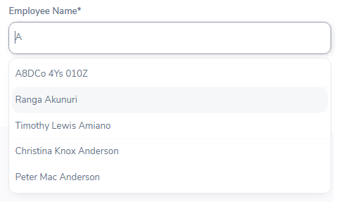 Repeated in TC1, TC20 |  | Low | Minor
 |  |  |  |  |  |  |  |  |  |  | Medium | Moderate
Bug ID | Title | Summary | Environment | Priority | Severity | Steps to Reproduce | Expected Resutls | Actual Resutls | Notes | Visual Proof | High | Major
B2 | Accept special characters in job title | When enter special characters in Job title, label accepts it. | Platform: Lenovo Laptop Browser: Brave OS: Windows 10 | Low | Minor | 1. Login as admin 2. Open job module 3. add/edit job 4. job title | Warning Message: "Cant use characters in Username" + No Save | Label Accept the username | Repeated in TC32, TC35 | 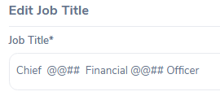 | Immediate | Critical

Bug ID | Title | Summary | Environment | Priority | Severity | Steps to Reproduce | Expected Resutls | Actual Resutls | Notes | Visual Proof
B3 | Special chars in Employment Status name | Can include any special chars in Employment Status | Platform: Lenovo Laptop Browser: Brave OS: Windows 10 | Low | Minor | 1. Login as admin 2. Open admin page 3. Employement Status 4. Add/Edit 5. name | Warning Message Cant include special chars except "-" | Accepted | - For Example: Fullt@@TIME - Repeated in TC55, TC 64

Bug ID | Title | Summary | Environment | Priority | Severity | Steps to Reproduce | Expected Resutls | Actual Resutls | Notes | Visual Proof
B4 | Delete a location with assigned employees | the system allows the deleation of the company have employess without any warning | Platform: HP Laptop Browser: Chrome OS: Windows 10 | Medium | Moderate | 1. Login as admin 2. Open admin page 3. Organization then locations 4. select company with employess 5. delete | warning message before delete | the system delete the company with employess without any warning message | Repeated in TC 1.7 | https://www.awesomescreenshot.com/video/41419138?key=21ff22e3f884c0373bf0bd1bbb741a47

Bug ID | Title | Summary | Environment | Priority | Severity | Steps to Reproduce | Expected Resutls | Actual Resutls | Notes | Visual Proof
B5 | Delete a unit with sub-units | the system allows the deleation of the units contain sub units without any warning message | Platform: HP Laptop Browser: Chrome OS: Windows 10 | High | Moderate | 1. Navigate to Admin > Organization > Structure. 2. Click Edit then the system shows the units. 3. delete unit contain sub units | warning message before delete | the system delete the unit with sub units without any warning message | Repeated in TC 2.7 | https://www.awesomescreenshot.com/video/41419119?key=ee8ffcf0963b26fc9d6289283c13c24f

Bug ID | Title | Summary | Environment | Priority | Severity | Steps to Reproduce | Expected Resutls | Actual Resutls | Notes | Visual Proof
B6 | the system accept the invalid characters in operations like add , edit and search in (locations,Structure , Education, Memberships, Lisences and Languges ) Features | the system accpet the fileds with special charactares without any prevention | Platform: HP Laptop Browser: Chrome OS: Windows 10 | Medium | Moderate | 1. Navigate to Admin > the feature . 2. Click Edit, add or search 3. Enter special characters in search bar or required field in add or edit operation . | the system must prevention having spiecal characters in required fildes | the system accept having spiecal characters in required fildes | Repeated in 2.8 , 3.7 , 4.7, 5.7, 6.7, 7.7

Test Summary Report
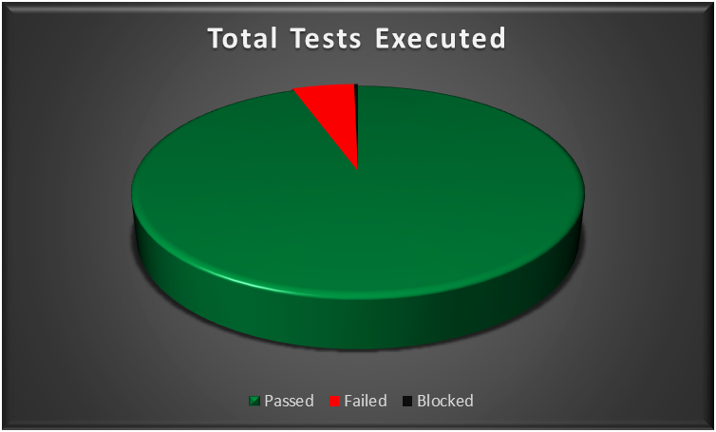
Test Report
Test Cycle | System Test
Executed | Passed |  |  |  | 287
 | Failed |  |  |  | 15
 | Total Tests Executed (Passed + Failed) |  |  |  |  | 302 | Total Tc's | 302
Pending |  |  |  |  |  | 0 | Passed | 287
In Progress |  |  |  |  |  | 0 | Failed | 15 | Total TCs | 305
Blocked |  |  |  |  |  | 1 | Blocked | 1 | Passed | 288
(Sub-Total) Test Planed |  |  |  |  |  | 302 |  |  | Failed | 16
[Pending - In Progress - Blocked - Test Executed] |  |  |  |  |  |  |  |  | Blocked | 1

Functions (Test Scenarios) | Description | TCs Excuted % | TCs Passed % | TCs pending | Priority | Remarks
Login | ESS-User can log in with a valid username and password provided by the HR Admin | 100% | 85% | 0% | High
Personal Details | The ESS-User can add/edit their personal information details. | 100% | 100% | 0% | High
Photograph | The ESS-User can add/edit their profile photo. | 100% | 100% | 0% | Low
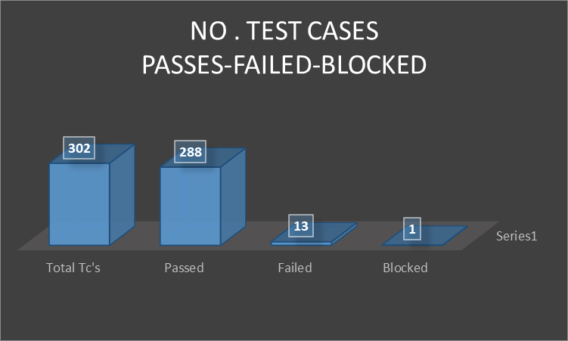
Contact Details | The ESS-User can add/edit their Contact Details. | 100% | 92% | 0% | High
Emergency Contact | The ESS-User can add/delete their Emergency Contact details and upload supporting documents. | 100% | 100% | 0% | High
Dependents | The ESS-User can add/delete their Dependents details and upload supporting documents. | 100% | 100% | 0% | Medium
Immigration | The ESS-User can add/delete their Immigration details and upload supporting documents. | 100% | 93% | 0% | Medium
Job Details | The ESS-User is able to view job details, without being able to change it. | 100% | 100% | 0% | High
Passsed Percentage
Salary | The salary details section of the ESS-User is completely hidden So that , salary information is protected and only accessible by the HR Admin. | 100% | 75% | 0% | High
Report To | The ESS-User, is able to view the list of assigned supervisors (and subordinates if he's a supervisor). | 100% | 100% | 0% | Medium
Qualifications | The ESS-User, can manage (add, update, and delete) his qualifications — including Work Experience, Education, Skills, Languages, Licenses, and Attachments. | 100% | 90% | 0% | High
Membership | The ESS-User, can add, update, and delete his membership details and upload supporting attachments. | 100% | 100% | 0% | Low
User Management Module | Admin create user accounts with roles (Admin/ESS), and can edit or delete user accounts. | 100% | 92% | 0% | High
Job Titles | Admin can add/edit/delete job titles | 100% | 77% | 0% | High
Pay Grades | Admin can add/edit/delete pay grades with identifying salary ranges. | 100% | 100% | 0% | High
Employment Status | Admin can add/edit/delete employment status. | 100% | 88% | 0% | High
Job Categories | Admin can create/edit/delete job categories. | 100% | 88% | 0% | High
Work Shifts | Admin can assign work shirts for employees. | 100% | 100% | 0% | High
General Information | Admin can edit companies general information. | 100% | 89% | 0% | Medium
Locations | the admin control the Locations feature and perform opreations related to it like (search, add , edit , delete , view ) | 100% | 90% | 0% | High
Structure | the admin control the Structure feature and perform opreations related to the units and sub units like (search, expand, collapes, add , edit , delete , view ) | 100% | 82% | 0% | High
Skills | the admin control the skills feature and perform opreations related to it like ( add , edit , delete , view ) | 100% | 89% | 0% | High
Education | the admin control the Education feature and perform opreations related to it like ( add , edit , delete , view ) | 100% | 90% | 0% | Medium
License | the admin control the License feature and perform opreations related to it like add , edit , delete , view ) | 100% | 90% | 0% | High
Languages | the admin control the Languages feature and perform opreations related to it like (, add , edit , delete , view ) | 100% | 90% | 0% | Medium
Memberships | the admin control the Memberships feature and perform opreations related to it like (add , edit , delete , view ) | 100% | 90% | 0% | High

